Introduction
Overview of the Investment Decision Model | Abbreviation | Description
 | DTT
 | ETT
 | ETT Infra
 | SLD
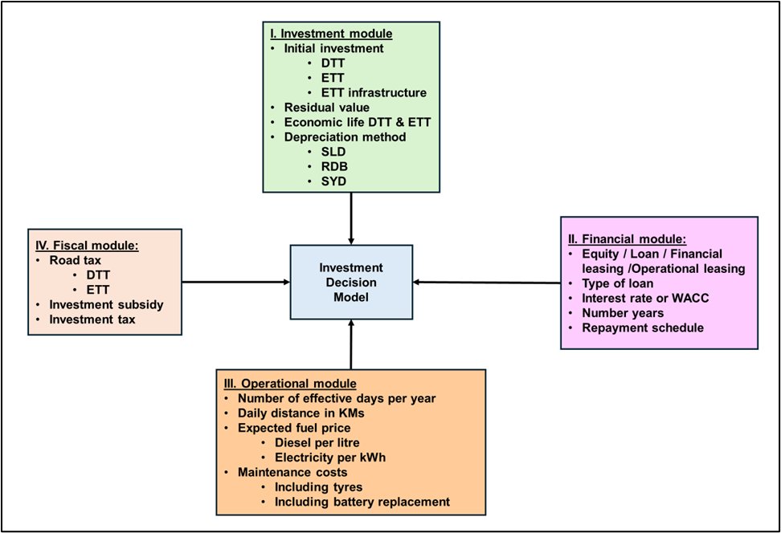
 | RDB
 | SYD

I. Investement Infra
 | Electric Infra | SLD | Depreciation Elect.Infra | Bookvalue Elect.Infra
Ininitial Investment | 20000 | 1 | € 1,266.67 | € 20,000.00
Residual value | 1000 | 2 | € 1,266.67 | € 18,733.33
II - RV | 19000 | 3 | € 1,266.67 | € 17,466.67
Ecocomic life | 15 | 4 | € 1,266.67 | € 16,200.00
SLD % | 6.7% | 5 | € 1,266.67 | € 14,933.33
 |  | 6 | € 1,266.67 | € 13,666.67
 |  | 7 | € 1,266.67 | € 12,400.00
 |  | 8 | € 1,266.67 | € 11,133.33
 |  | 9 | € 1,266.67 | € 9,866.67
 |  | 10 | € 1,266.67 | € 8,600.00
 |  | 11 | € 1,266.67 | € 7,333.33
 |  | 12 | € 1,266.67 | € 6,066.67
 |  | 13 | € 1,266.67 | € 4,800.00
 |  | 14 | € 1,266.67 | € 3,533.33
 |  | 15 | € 1,266.67 | € 2,266.67
 |  |  |  | € 1,000.00
 |  |  | € 19,000.00

I. Investment TT
 | Diesel Truck-Tractor | Electric Truck-Tractor
Ininitial Investment | 125000 | 330000 | SLD | Depreciation DTT | Bookvalue DTT | Depreciation ETT | Book value ETT
Residual value | 12500 | 33000 | 1 | € 16,071.43 | € 125,000.00 | € 29,700.00 | € 330,000.00
II - RV | 112500 | 297000 | 2 | € 16,071.43 | € 108,928.57 | € 29,700.00 | € 300,300.00
Ecocomic life | 7 | 10 | 3 | € 16,071.43 | € 92,857.14 | € 29,700.00 | € 270,600.00
SLD % | 14.3% | 10.0% | 4 | € 16,071.43 | € 76,785.71 | € 29,700.00 | € 240,900.00
RDB % | 28.0% | 20.6% | 5 | € 16,071.43 | € 60,714.29 | € 29,700.00 | € 211,200.00
SYD1 | € 28,125.00 | € 54,000.00 | 6 | € 16,071.43 | € 44,642.86 | € 29,700.00 | € 181,500.00
SYD2 | € 24,107.14 | € 48,600.00 | 7 | € 16,071.43 | € 28,571.43 | € 29,700.00 | € 151,800.00
SYD3 | € 20,089.29 | € 43,200.00 | 8 |  | € 12,500.00 | € 29,700.00 | € 122,100.00
SYD4 | € 16,071.43 | € 37,800.00 | 9 |  |  | € 29,700.00 | € 92,400.00
SYD5 | € 12,053.57 | € 32,400.00 | 10 |  |  | € 29,700.00 | € 62,700.00
SYD6 | € 8,035.71 | € 27,000.00 |  |  |  |  | € 33,000.00
SYD7 | € 4,017.86 | € 21,600.00 |  | € 112,500.00 |  | € 297,000.00
SYD8 |  | € 16,200.00
SYD9 |  | € 10,800.00
SYD10 |  | € 5,400.00 | RDB | Depreciation DTT | Bookvalue DTT | Depreciation ETT | Book value ETT
 |  |  | 1 | € 35,039.29 | € 125,000.00 | € 67,871.68 | € 330,000.00
SUM SYD | € 112,500.00 | € 297,000.00 | 2 | € 25,217.28 | € 89,960.71 | € 53,912.39 | € 262,128.32
 |  |  | 3 | € 18,148.51 | € 64,743.43 | € 42,824.14 | € 208,215.92
 |  |  | 4 | € 13,061.22 | € 46,594.92 | € 34,016.42 | € 165,391.79
 |  |  | 5 | € 9,399.98 | € 33,533.70 | € 27,020.20 | € 131,375.37
 |  |  | 6 | € 6,765.03 | € 24,133.72 | € 21,462.91 | € 104,355.16
55 |  |  | 7 | € 4,868.69 | € 17,368.69 | € 17,048.60 | € 82,892.25
 |  |  | 8 |  | € 12,500.00 | € 13,542.18 | € 65,843.66
 |  |  | 9 |  |  | € 10,756.94 | € 52,301.48
 |  |  | 10 |  |  | € 8,544.54 | € 41,544.54
 |  |  |  |  |  |  | € 33,000.00
 |  |  |  | € 112,500.00 |  | € 297,000.00

 |  |  | SYD | Depreciation DTT | Bookvalue DTT | Depreciation ETT | Book value ETT
 |  |  | 1 | € 28,125.00 | € - | € 54,000.00 | € 330,000.00
 |  |  | 2 | € 24,107.14 | € -28,125.00 | € 48,600.00 | € 276,000.00
 |  |  | 3 | € 20,089.29 | € -52,232.14 | € 43,200.00 | € 227,400.00
 |  |  | 4 | € 16,071.43 | € -72,321.43 | € 37,800.00 | € 184,200.00
 |  |  | 5 | € 12,053.57 | € -88,392.86 | € 32,400.00 | € 146,400.00
 |  |  | 6 | € 8,035.71 | € -100,446.43 | € 27,000.00 | € 114,000.00
 |  |  | 7 | € 4,017.86 | € -108,482.14 | € 21,600.00 | € 87,000.00
 |  |  | 8 |  | € -112,500.00 | € 16,200.00 | € 65,400.00
 |  |  | 9 |  |  | € 10,800.00 | € 49,200.00
 |  |  | 10 |  |  | € 5,400.00 | € 38,400.00
 |  |  |  |  |  |  | € 33,000.00
 |  |  |  | € 112,500.00 |  | € 297,000.00

 |  |  | SYD | SYD factor DTT | SYD factor ETT
 |  |  | SYD | 28 | 55
 |  |  | 1 | 0.25 | 0.18
 |  |  | 2 | 0.21 | 0.16
 |  |  | 3 | 0.18 | 0.15
 |  |  | 4 | 0.14 | 0.13
 |  |  | 5 | 0.11 | 0.11
 |  |  | 6 | 0.07 | 0.09
 |  |  | 7 | 0.04 | 0.07
 |  |  | 8 |  | 0.05
 |  |  | 9 |  | 0.04
 |  |  | 10 |  | 0.02

 |  |  | Total | 1.00 | 1.00

